Password
Test Case ID | Section\Path | Test Description | Test Data | Expected Results | Actual Results | Screenshot | Comment
TC01 | Password | Check the password field is required or not. | No Input | Without password account can not be created and a validation message will be shown Please enter Password. | As Expected
TC02 | Password | Check the password field can submit with only special characters. | (*&%%$^)(** | passwoed can not be created only Special Characters a validation message will be shown Password field does not allow '&' | As Expected
TC03 | Password | Check the password field can submit 7 characters. | 123456 | will be shown Password minimum 8 characters. | As Expected
TC04 | Password | Check the password field can submit 10 characters. | Bijoy42015 | After entering 10 characters in the password field, accept it and send a validation otp code message for the next step. A code has been sent to you on 01712954897. | As Expected
TC05 | Password | Check the maximum length of the name field. |  | If we try to input more than 12 characters, a validation message will be shown password maximum 12 characters. | As Expected
TC06 | Password | Check the password field can submit only space. | Space button | The password field only space submit will be shwon a validations message Please use only letters (a-z), numbers (0-9) and punctuations. | As Expected
TC07 | Password | Check the password field only capital later. | ABCDEFHIJ | After giving the password film only capital letters it accepts it and gives a validations message A code has been sent to you on 8801729695274. | Only capital letters are accepted as passwords. Only capital letters can never be passwords | 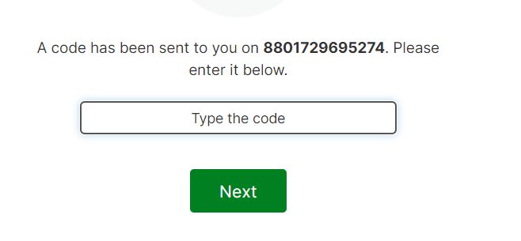

Mobile Number
Test Case ID | Section/Path | Test Description | Test Data | Expected Results | Actual Results | Screenshot | Comment
TC01 | Mobile Number | Mobile Number check whether the mobile number is 11 digit. | 1712954897 | 11 digits have been given in the mobile number field .So a validations code will be available for the next step. A code has been sent to you on 01712954897. | As Expected
TC02 | Mobile Number | Verify by entering the less number than the actual mobile number. | 0172969527 | Mobile Account can be validation message will be shown Mobile Number should be 11 digits. | As Expected
TC03 | Mobile Number | Verify the behaviour by adding more digits than the actual mobile number. | 0172969527456 | Mobile Account can be validation message will be shown Mobile Number should be 11 digits. | As Expected
TC05 | Mobile Number | Verify with country code is shown with the Mobile Number field. |  | We expect the mobile number field to match the country code | Even if the country and mobile number are different they are taking it. | 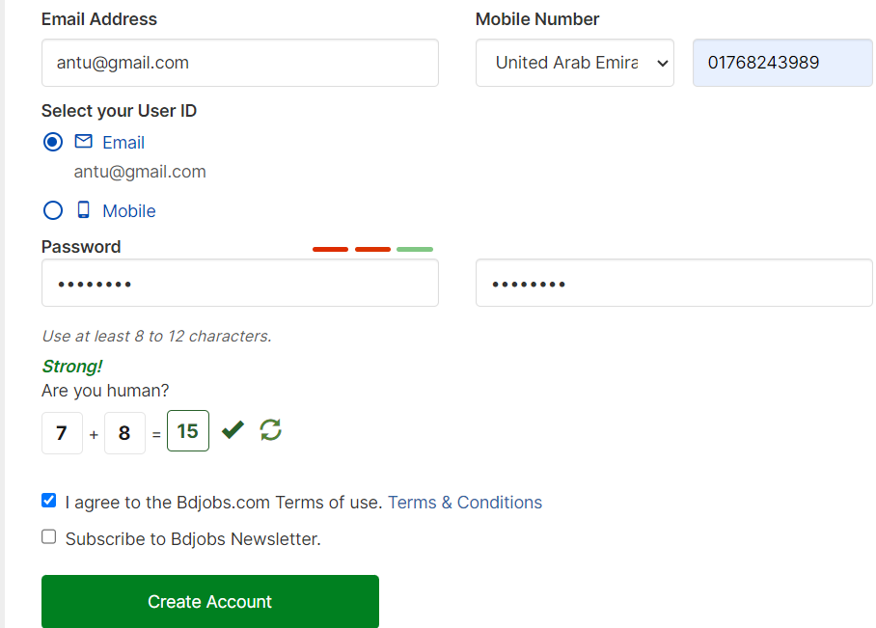
TC06 | Mobile Number | Verify by adding only the spaces in the Mobile Number Field. | Space button | bdjobs.com cannot any system in space of mobile feild options .Can only accept numeric numbers.
TC07 | Mobile Number | Check the mobile number field is required or not. | No Input | Without Mobile account can not be created and a validation message will be shown Please enter your mobile number first | As Expected
TC08 | Mobile Number | Add a valid mobile number and verify the field should accept the correct mobile number. | 1712954897 | The mobile field has been validation message A code has been sent to you on 8801712954897. Please enter it below. | As Expected
TC09 | Mobile Number | Check the mobile number field only special characters. | (*&%%$^) | Mobile feild will give a valiad message Mobile Number contains only numeric values (0-9). | As Expected
TC10 | Mobile Number | Check the mobile number field whether can accepts with name and number combination. |  | bdjobs.com cannot accept with name and number combination. Can only accept numeric numbers.

